Sheet1
 |  | Document No. | Issue No. | Issue Date |  |  | Review and Replace Date |  |  | Authorised By
 |  | GFF283MC | 3 | 30.03.2021 |  |  | 22.09.2021 |  |  | Magda Shah
 |  | Document Title | Pesto Salmon with Provençal Veg and Tricolour Quinoa 400g
Document amendments reason for change |  | tray changed to 2171-1F - FROST |  |  | Previous Issue Date |  |  | 11.08.2021 |  | Uncontrolled copy unless signed original

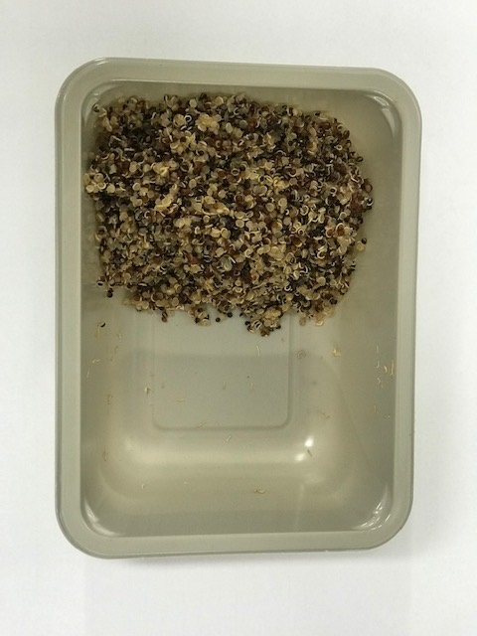
FFPSLN1-R8TMC | MINDFUL CHEF |  | Pesto Salmon with Provençal Veg and Tricolour Quinoa 400g | FROZEN
STEP 1 |  |  |  |  |  | STEP 2
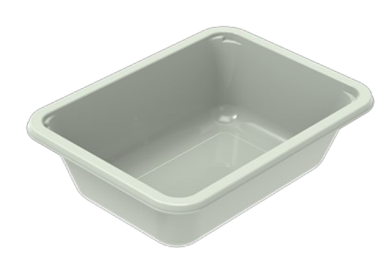

PACK DAY + 1 YEAR NON-MAP PAK

Tray: EVOLVE CPET 2171-1F FROST (PKRHP001-14) |  |  |  |  |  | Tricolour Quinoa (GFF262R): 100g
Film: K-Peel 75G + AF 25 250mm (PKKMP001-01)
STEP 3 |  |  |  |  |  | STEP 4
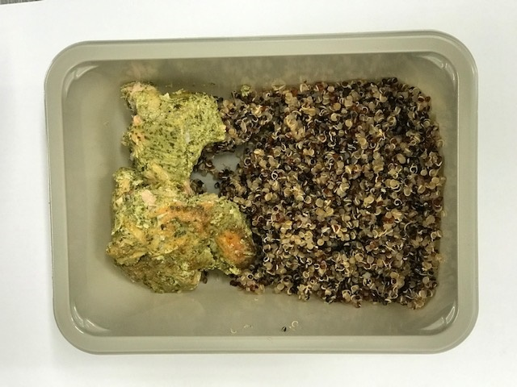 |  |  |  |  |  | 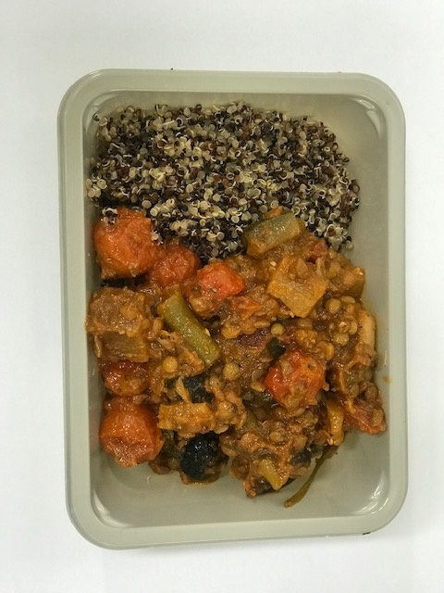

Pesto Salmon (GFF365R): 70g |  |  |  |  |  | Mediterranean Sauce (GFF364R): 230g |  |  | Total Weight: 400g

ALLERGY ALERT: FISH, NUTS

